Compliance Report
 | Weekly Asset Care Compliance Report
 | Don’t change Formula's
 | Week Ending | 19-Feb-26
 | Shaft / Area | NCHW II UG

 | Fleet / Equipment | Planned | Actual | Schedule Compliance | Target | Unit late for service (y/n) | Unit book back on time after service(y/n) |  | Week-end Service | Reasons for Non-Compliance
 | DT | 4 | 4 | 100% | 100%
 | FL | 4 | 4 | 100% | 100% |  |  |  |  | Due to loader availability and was rescheduled for next week
 | HD | 4 | 3 | 75% | 100%
 | RT | 2 | 2 | 100% | 100% |  |  |  |  | HD0063 Planned for next week, due to labour shortage at Graben
 | SR - Service Compliance | 1 | 1 | 100% | 100%
 | Support Equipment | 5 | 5 | 100% | 100% |  |  |  |  | EXCLUDE UV0053 :STILL OUT FOR LEVEL 9 UPGRADE
 | SR - Weekly Inspection | 8 | 8 | 100% | 100%
Weekly Compliance

 | Service Pre-Inspection

 | Fleet / Equipment | Planned | Actual | Schedule Compliance | Target | Work order number | Remarks
 | DT | 1 | 1 | 100% | 95%
 | FL | 1 | 1 | 100% | 95%
 | HD | 3 | 3 | 100% | 95%
 | RT | 3 | 3 | 100% | 95%
 | SR - Service Compliance | 1 | 1 | 100% | 95%
 | Support Equipment | 7 | 5 | 71% | 95% |  | LD0508 broken universal joint on front diff and LD0576 will be service tonight

 | Schedule Compliance | Target
DT | 0 | 0.95
FL | 0 | 0.95
HD | 0 | 0.95
RT | 0 | 0.95
SR - Service Compliance | 0 | 0.95
Support Equipment | 1 | 0.95

 | Condition monitoring / Oil samples
 | Fleet / Equipment | Engine - Plan | Engine- Received | Transmission - Plan | Transmission - Receive | Axle - plan | Axle - Receive | % Compliance | Reasons for Non-Compliance |  |  | Paperwork Correct | Paperwork Incorrect | Urgent Oil Samples | Workorder Generated
 | DT | 4 | 4 | 4 | 4 |  |  | 100% |  |  |  |  |  | 0
 | FL | 4 | 4 | 4 | 4 |  |  | 100% |  |  |  |  |  | 0
 | HD | 0 |  |  |  |  |  |  |  |  |  |  |  | 0
 | RT | 0 |  |  |  |  |  |  |  |  |  |  |  | 0
 | SR | 1 | 1 |  |  |  |  | 100% |  |  |  |  |  | 0
 | Support Equipment | 5 | 5 |  |  |  |  | 100% | EXCLUDE UV0053 :STILL OUT FOR LEVEL 9 UPGRADE |  |  |  |  | 0

Condition monitoring / Oil samples
 | % Compliance
DT | 0
FL | 0
HD | 0
RT | 0
SR | 0
Support Equipment | 1
Oil Sample Paper Work
 | Paperwork Correct | Paperwork Incorrect

 | Remember Readings

 | Oil Filtration
FA0007 - HYDR DRILL W/S | Equipment nr | Oil Type | Start Reading | End Reading | Comments |  | ISO Standard
 | HD0046 | AZOLLA | 20.19.16 | 17.13.9
 | RT0038 | AZOLLA | 22.21.16 | 18.16.11
 | HD0064 | AZOLLA | 20.18.14 | 18.15.10
 | HD0065 | AZOLLA | 22.20.16 | 21.19.13

FA0001 - TMM W/S | DT0169 |  | ,11/7/0 | ,18/14/0 |  |  |  | Filtration not done on other TMM, we replaced stranmission screen folter and drained the oil, refill with new oil.

 | Inspection done by: | Planned Over-Inspections | Total Number of Inspections Completed | Corrective Work | Wo Number | % Completed | Remarks for not comply
 | UTILITY FOREMAN | 7 | 5 |  |  | 71% | LD0508 broken universal joint on front diff and LD0576 will be service tonight
 | MECHANIC FOREMAN | 8 | 8 |  |  | 100%
 | DRILLS FOREMAN | 6 | 6 |  |  | 100%
 | Engineer | 1 | 1 |  |  | 100%
 | Electrical Foreman | 4 | 4 |  |  | 100%
 | Plant Foreman | 5 | 5 |  |  | 100%
 | GES Plant | 1 | 1 |  |  | 100%
 | GES TMM | 1 | 1 |  |  | 100%

Over Inspections
 | Planned Over-Inspections | Total Number of Inspections Completed | Corrective Work
UTILITY FOREMAN | 7 | 5
MECHANIC FOREMAN | 8 | 8
DRILLS FOREMAN | 6 | 6
Engineer | 1 | 1
Electrical Foreman | 4 | 4
Plant Foreman | 5 | 5
GES Plant | 1 | 1
GES TMM | 1 | 1

 | Equipment ID | Date of Inspection | Inspection Performed by | Findings and Defects Completed |  |  | Additional Follow-up Work |  |  | WO No. | Status
 | Graben SOH jaw crusher inspection | 16/02/2026 | Lebogang | All in order |  |  | None |  |  | 1922542
 | Nch2 U/G Silo system inspection | 16/02/2026 | Lebogang | All in order |  |  | None |  |  | 1921834
 | Foreman Monthly workshop inspection | 17/02/2026 | Lebogang | All in order |  |  | None |  |  | 1922724
 | Monthly Fire Extinguisher inspection | 17/02/2026 | Lebogang | All in order |  |  | Annual service to be done next month. Replace all Fire Extinguishers. |  |  | 1922727
 | Monthly PTO's | 18/02/2026 | Lebogang |  | All in order |  |  | None |  | 1922726

 | RT0043 | 14/02/2026 | WILL | All in order |  |  | None
 | HD0046 | 16/02/2026 | WILL | All in order |  |  | None
 | RT0038 | 17/02/2026 | WILL | Telescopic Set worn out |  |  | Replace Telescopic Set
 | HD0064 | 18/02/2026 | WILL | All in order |  |  | Monitor electrical trips
 | HD0065 | 19/02/2026 | WILL | All in order |  |  | None

 | HD0046 | 16/02/2026 | Shaied | None |  |  | IO
 | HD0064 | 18/02/2026 | Shaied | None |  |  | IO |  |  | 1922416
 | HD0065 | 19/02/2026 | Shaied | None |  |  | IO |  |  | 1923891
 | SOH -Tripper Car Insp | 19/02/2026 | Shaied | None |  |  | IO |  |  | 1923055

 | LD0621 | 11/02/2026 | FJ Scheeper | None |  |  | IO |  |  | 1921745
 | UV0059 | 13/02/2026 | Petrus -91030700 | None |  |  | IO |  |  | 1907305
 | SR0029 | 16/02/2026 | Innocent Dlamini - 10065782 | None |  |  | IO |  |  | 1874264
 | LD0519 | 17/02/2026 | Didi Lekwa-10064475 | fuel tank bracket broken |  |  |  |  |  | 1936512
 | UV0098 | 18/02/2026 | Obakeng Kokonyane | rear prophshaft |  |  |  |  |  | 1937316

 | FL0106 | 10/02/2026 | Gae | damages grease hoses, oil leaks |  |  |  |  |  | 1896410
 | FL0114 | 13/02/2026 | Gae |  |  |  | front loghts harnes |  |  | 1925310
 | FL0120 | 14/02/2026 | Gae |  |  |  |  |  |  | 1912685
 | FL0100 | 19/02/2026 | Gae | kenru defect hoses,grease system |  |  |  |  |  | 1917699
 | DT0120 | 14/02/2026 | Gae | loghts, damaged transmission bonnet |  |  | rear lights and bucket switcth harness |  |  | 1925304
 | DT0169 | 16/02/2026 | Gae | 500hours service |  |  |  |  |  | 1921740
 | DT0181 | 17/02/2026 | Gae | 250 hours service |  |  | wiper motor,cracked side window |  |  | 1930877
 | DT0176 | 18/02/2026 | Gae | 250 hours service |  |  |  |  |  | 1936669
 | 28N Section | 17/02/2026 | Mteki | VFL and section condition inspections |  |  | Power was tripping

Oil report
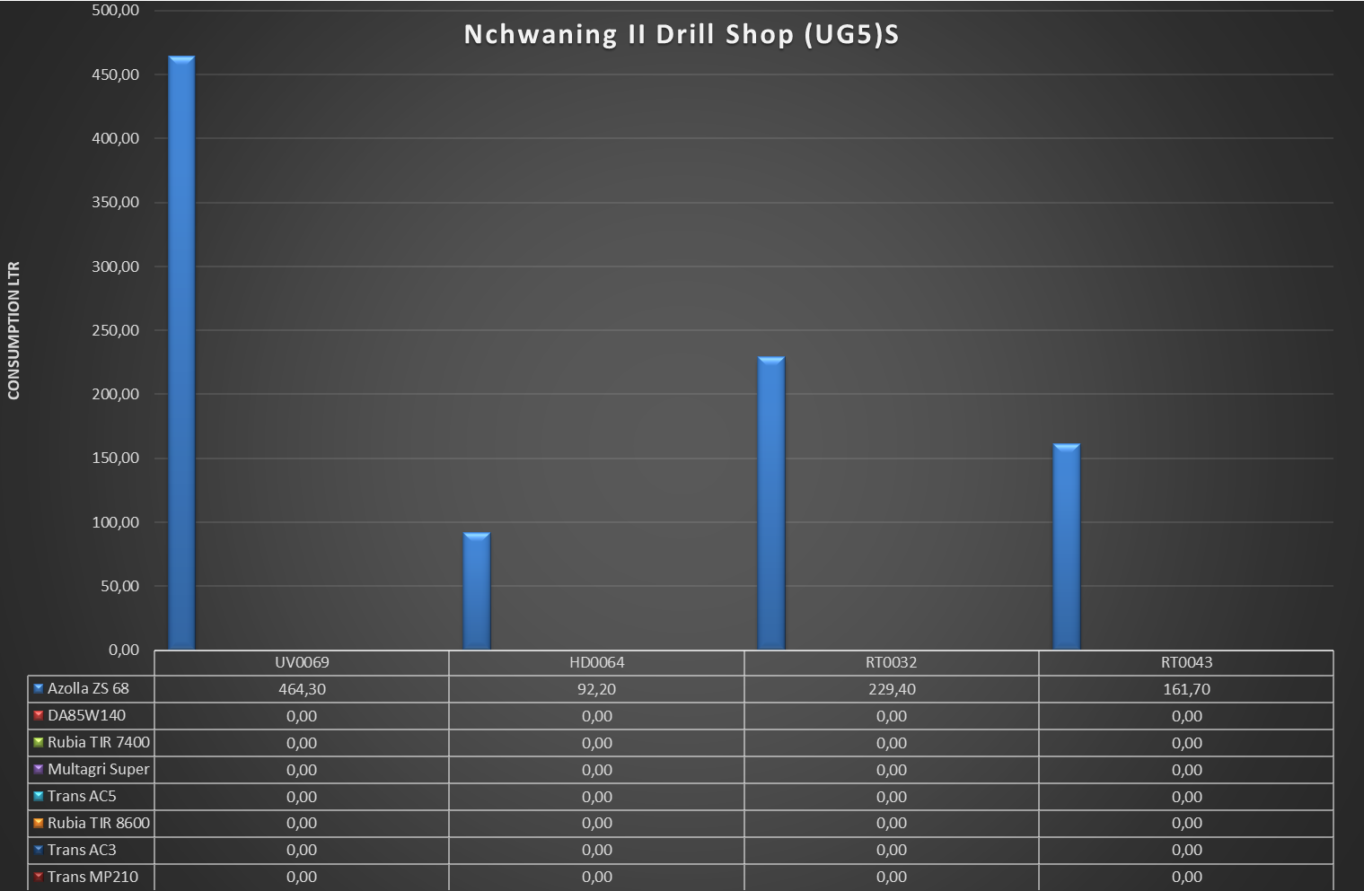
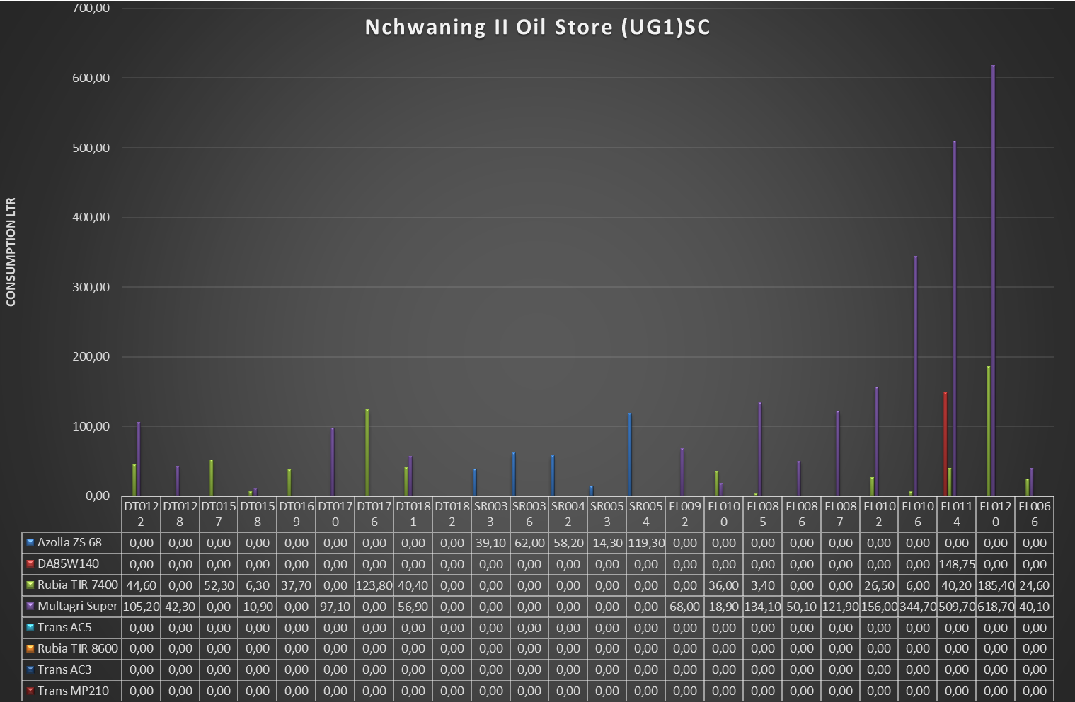

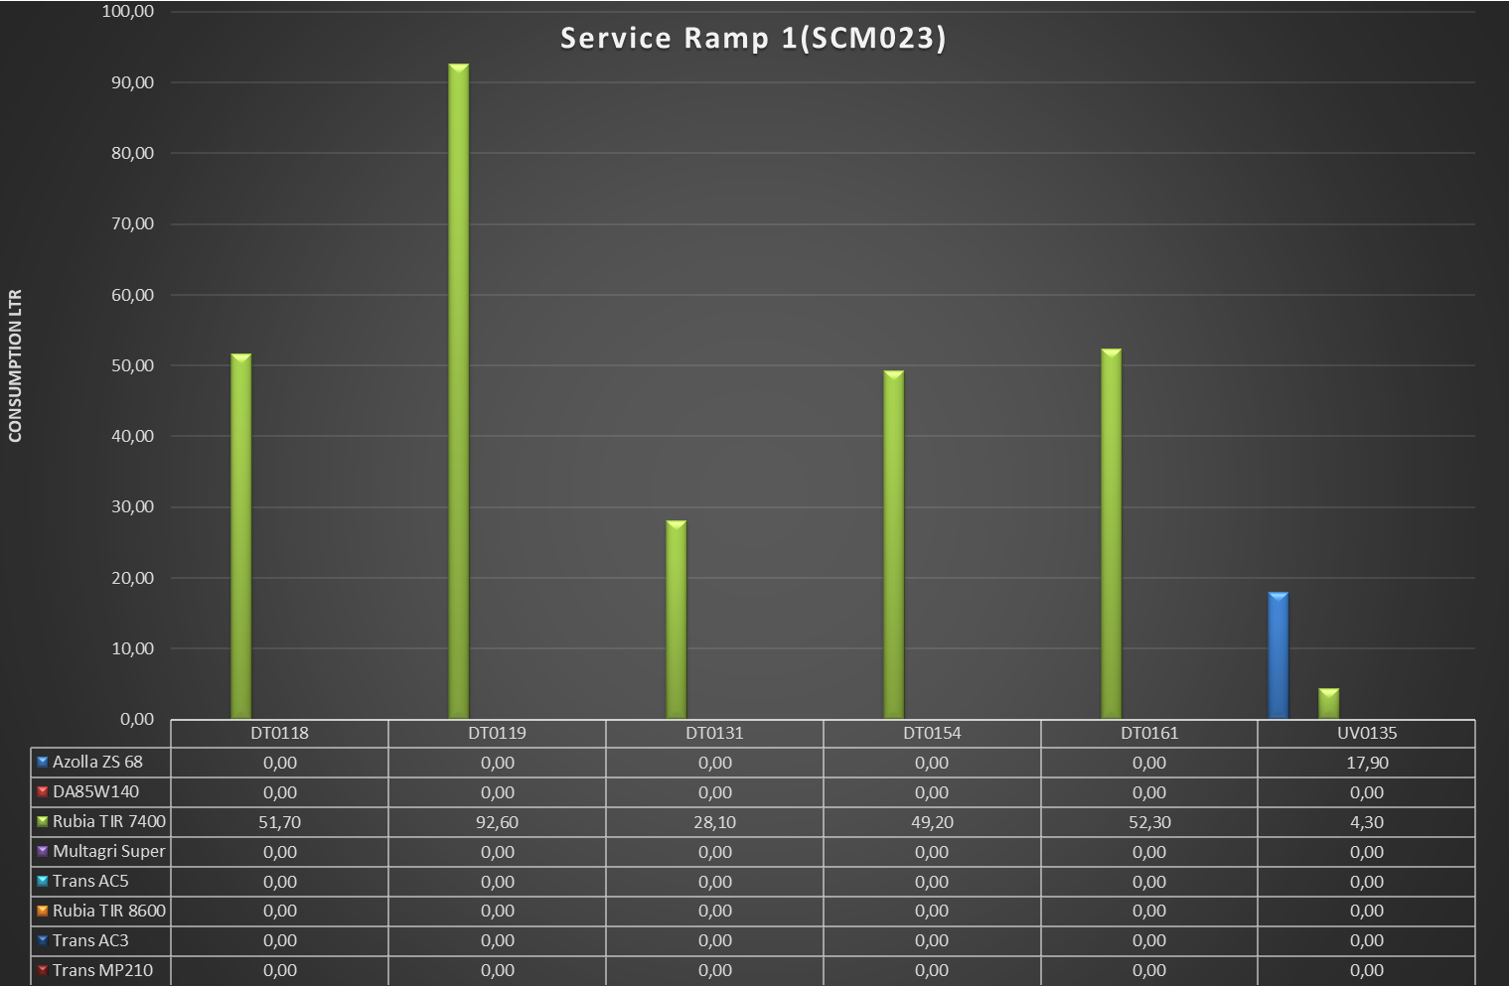
Nchwaning II Lub 315 (SCM007)
 | Azolla ZS 68 | DA85W140 | Rubia TIR 7400 | Multagri Super | Trans AC5 | Rubia TIR 8600 | Trans AC3 | Trans MP210
HD0035 | 82.6 | 0 | 0 | 0 | 0 | 0 | 0 | 0
HD0064 | 51.7 | 0 | 0 | 0 | 0 | 0 | 0 | 0
HD0065 | 25.2 | 0 | 0 | 0 | 0 | 0 | 0 | 0
HD0067 | 65.3 | 0 | 0 | 0 | 0 | 0 | 0 | 0
HD0068 | 64.8 | 0 | 0 | 0 | 0 | 0 | 0 | 0
RT0032 | 154.3 | 0 | 0 | 0 | 0 | 0 | 0 | 0
RT0043 | 94.7 | 0 | 0 | 0 | 0 | 0 | 0 | 0
RT0050 | 144.7 | 0 | 0 | 0 | 0 | 0 | 0 | 0
RT0053 | 72.4 | 0 | 0 | 0 | 0 | 0 | 0 | 0
RT0062 | 94 | 0 | 0 | 0 | 0 | 0 | 0 | 0

